Input_Output
...
 | INPUT DATA |  |  |  |  |  |  | Q | H stage
 | unit system |  |  | SI |  |  |  | m3/h | m
 | Pump speed |  |  | 1490 | RPM |  | BEP | 1200.0 | 65.0
 | D2 |  |  | 350.0 | mm |  | RTD | 900 | 75
 | D3 |  |  | 365.0 | mm
 | volute or diffuser |  |  | diffuser
 | D vaneless zone |  |  | 355.0 | mm

OUTPUT DATA
 | c max | c ave
1%
2% | 9.28 | 6.11
3% | 8.48 | 5.55
4% | 7.74 | 5.01
5% | 0.00 | 0.00
6% | 0.00 | 0.00
7% | 0.00 | 0.00
8% | 0.00 | 0.00
9% | 0.00 | 0.00
10% | 0.00 | 0.00
11% | 0.00 | 0.00
12% | 0.00 | 0.00
13% | 0.00 | 0.00
14% | 0.00 | 0.00
15% | 0.00 | 0.00
16% | 0.00 | 0.00
17% | 0.00 | 0.00
18% | 0.00 | 0.00
19% | 0.00 | 0.00
20% | 0.00 | 0.00
Pressure Pulsation amplitude and alternating sigma on L.E.
 | dP.BEP |  | dP.RTD |  | TARGET.dP.BEP |  | TARGET.dP.RTD |  | Dsigma.LE |  | TARGET.dSIGMA
1% | 0.52 | 1% | 0.94 | 4% | 0.18 | 4% | 0.34 | 1% | 2.61 | 4% | 0.91
2% | 0.36 | 2% | 0.65 |  | 0.34 |  |  | 2% | 1.74
3% | 0.25 | 3% | 0.47 |  | 0.91 |  |  | 3% | 1.23
4% | 0.19 | 4% | 0.36 |  |  |  |  | 4% | 0.96
5% | 0.15 | 5% | 0.30 |  |  |  |  | 5% | 0.80
6% | 0.13 | 6% | 0.26 |  |  |  |  | 6% | 0.71
7% | 0.11 | 7% | 0.24 |  |  |  |  | 7% | 0.65
8% | 0.10 | 8% | 0.22 |  |  |  |  | 8% | 0.60
9% | 0.09 | 9% | 0.21 |  |  |  |  | 9% | 0.55
10% | 0.09 | 10% | 0.21 |  |  |  |  | 10% | 0.49
11% | 0.08 | 11% | 0.21 |  |  |  |  | 11% | 0.41
12% | 0.08 | 12% | 0.21 |  |  |  |  | 12% | 0.32
13% | 0.08 | 13% | 0.20 |  |  |  |  | 13% | 0.23
14% | 0.07 | 14% | 0.20 |  |  |  |  | 14% | 0.15
15% | 0.07 | 15% | 0.18 |  |  |  |  | 15% | 0.08
16% | 0.06 | 16% | 0.16 |  |  |  |  | 16% | 0.04
17% | 0.06 | 17% | 0.14 |  |  |  |  | 17% | 0.02
18% | 0.05 | 18% | 0.11 |  |  |  |  | 18% | 0.01
19% | 0.04 | 19% | 0.09 |  |  |  |  | 19% | 0.00
20% | 0.03 | 20% | 0.06 |  |  |  |  | 20% | 0.00

OUTPUT DATA

 | (D-D2)/D2 | C2.local | C2.ave | dP.BEP | dP.RTD | alternating stress on LE |  |  | u2 | 27.3 | m/s
 | % | m/s | m/s | bar | bar | MPa
 | 1% |  |  | 0.52 | 0.94 | 2.61
 | 2% | 9.28 | 6.11 | 0.36 | 0.65 | 1.74
 | 3% | 8.48 | 5.55 | 0.25 | 0.47 | 1.23
 | 4% | 7.74 | 5.01 | 0.19 | 0.36 | 0.96 | CHECK
 | 5% | 0.00 | 0.00 | 0.15 | 0.30 | 0.80 | (D3-D2)/D2 | dP.BEP | dP.RTD | Dsigma.LE
 | 6% | 0.00 | 0.00 | 0.13 | 0.26 | 0.71 | % | bar | bar | MPa
...

Gulich-Fig.10.6
 |  |  |  |  |  |  |  |  |  |  |  | CURVE 1
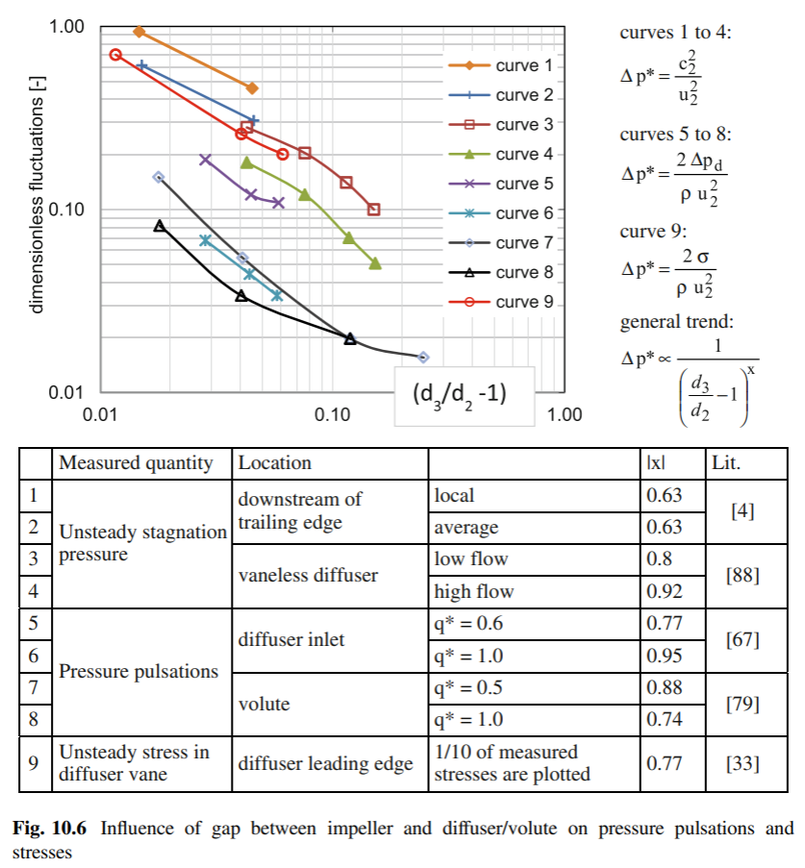
0.015 | 0
0.02 | -0.096910013008
0.03 | -0.22184874962
0.04 | -0.30102999566
0.05 | -0.36653154442
0.06 | -0.42021640338
0.07 | -0.46852108296
0.08 | -0.50863830617
0.09 | -0.5376020021
 |  |  |  |  |  |  |  |  |  |  |  | (D3-D2)/D2 | local | log10(y)
 |  |  |  |  |  |  |  |  |  |  |  | 0.015 | 1 | 0
 |  |  |  |  |  |  |  |  |  |  |  | 0.02 | 0.8 | -0.096910013008
 |  |  |  |  |  |  |  |  |  |  |  | 0.03 | 0.6 | -0.22184874962
 |  |  |  |  |  |  |  |  |  |  |  | 0.04 | 0.5 | -0.30102999566 |  |  | 6 | 7 | 8 | 9
 |  |  |  |  |  |  |  |  |  |  |  | 0.05 | 0.43 | -0.36653154442
 |  |  |  |  |  |  |  |  |  |  |  | 0.06 | 0.38 | -0.42021640338
 |  |  |  |  |  |  |  |  |  |  |  | 0.07 | 0.34 | -0.46852108296
 |  |  |  |  |  |  |  |  |  |  |  | 0.08 | 0.31 | -0.50863830617
 |  |  |  |  |  |  |  |  |  |  |  | 0.09 | 0.29 | -0.5376020021

 |  |  |  |  |  |  |  |  |  |  |  |  |  |  |  | Q/Qbep
 |  |  |  |  |  |  |  |  |  |  |  |  |  |  |  | 1
 |  |  |  |  |  |  |  |  |  |  |  |  |  |  | C0 | -0.2921
 |  |  |  |  |  |  |  |  |  |  |  |  |  |  | C1 | -23.975
 |  |  |  |  |  |  |  |  |  |  |  |  |  |  | C2 | 275.36
 |  |  |  |  |  |  |  |  |  |  |  |  |  |  | C3 | -1244.9

 |  |  |  |  |  |  |  |  |  |  |  | CURVE 2
0.015 | -0.22184874962
0.02 | -0.30102999566
0.03 | -0.39794000867
0.04 | -0.46852108296
0.05 | -0.52287874528
0.06 | -0.56863623584
0.07 | -0.60205999133
0.08 | -0.63827216398
0.09 | -0.65757731918
 |  |  |  |  |  |  |  |  |  |  |  | (D3-D2)/D2 |  |  | average | log10(y60)
 |  |  |  |  |  |  |  |  |  |  |  | 0.015 |  |  | 0.6 | -0.22184874962
 |  |  |  |  |  |  |  |  |  |  |  | 0.02 |  |  | 0.5 | -0.30102999566
 |  |  |  |  |  |  |  |  |  |  |  | 0.03 |  |  | 0.4 | -0.39794000867
 |  |  |  |  |  |  |  |  |  |  |  | 0.04 |  |  | 0.34 | -0.46852108296 | 6 | 7 | 8 | 9
 |  |  |  |  |  |  |  |  |  |  |  | 0.05 |  |  | 0.3 | -0.52287874528
 |  |  |  |  |  |  |  |  |  |  |  | 0.06 |  |  | 0.27 | -0.56863623584
 |  |  |  |  |  |  |  |  |  |  |  | 0.07 |  |  | 0.25 | -0.60205999133
 |  |  |  |  |  |  |  |  |  |  |  | 0.08 |  |  | 0.23 | -0.63827216398
 |  |  |  |  |  |  |  |  |  |  |  | 0.09 |  |  | 0.22 | -0.65757731918

 |  | pump type | diffuser
 | D2 | Dvaneless | Dcw
D-D2/D2 | 0 | 0.014285714286 | 0.042857142857

QBEP |  |  |  |  |  |  |  |  |  |  |  |  |  |  |  | Q/Qbep
D/D2 | c2local imp | c2 ave imp | clocal.vanel | cave.vanel | diffuser | volute | unsteady stress on LE | c2.local | c2.ave | dP* | sigmaLE* |  |  |  |  | 1
0.011 | 0.299 | 0.671 | 0.369 | 0.242 | 0.140 | 0.099 | 0.700 | 0.299 | 0.671 | 0.140 | 0.700 |  |  |  | C0 | 0.0113
0.02 | 0.213 | 0.510 | 0.340 | 0.224 | 0.096 | 0.068 | 0.466 | 0.340 | 0.224 | 0.096 | 0.466 |  |  |  | C1 | -19.002
0.03 | 0.160 | 0.403 | 0.310 | 0.203 | 0.068 | 0.049 | 0.330 | 0.310 | 0.203 | 0.068 | 0.330 |  |  |  | C2 | 209.92
0.04 | 0.129 | 0.338 | 0.283 | 0.184 | 0.051 | 0.038 | 0.257 | 0.283 | 0.184 | 0.051 | 0.257 |  |  |  | C3 | -909.59
...
 |  |  |  |  |  |  |  |  |  |  |  | CURVE 3-4
...
 |  |  |  |  |  |  |  |  |  |  |  | (D3-D2)/D2 | low flow | log10(y) | high flow | log10(y60)
 |  |  |  |  |  |  |  |  |  |  |  | 0.02 | 0.35 | -0.45593195565 | 0.22 | -0.65757731918
 |  |  |  |  |  |  |  |  |  |  |  | 0.03 | 0.3 | -0.52287874528 | 0.2 | -0.69897000434
 |  |  |  |  |  |  |  |  |  |  |  | 0.04 | 0.28 | -0.55284196866 | 0.19 | -0.72124639905
 |  |  |  |  |  |  |  |  |  |  |  | 0.05 | 0.26 | -0.58502665203 | 0.17 | -0.76955107862 | 6 | 7 | 8 | 9
 |  |  |  |  |  |  |  |  |  |  |  | 0.06 | 0.23 | -0.63827216398 | 0.15 | -0.82390874094
 |  |  |  |  |  |  |  |  |  |  |  | 0.07 | 0.22 | -0.65757731918 | 0.13 | -0.88605664769
 |  |  |  |  |  |  |  |  |  |  |  | 0.08 | 0.2 | -0.69897000434 | 0.11 | -0.95860731484
 |  |  |  |  |  |  |  |  |  |  |  | 0.09 | 0.18 | -0.7447274949 | 0.1 | -1
 |  |  |  |  |  |  |  |  |  |  |  | 0.1 | 0.16 | -0.79588001734 | 0.09 | -1.0457574906
 |  |  |  |  |  |  |  |  |  |  |  | 0.11 | 0.145 | -0.83863199777 | 0.08 | -1.096910013
 |  |  |  |  |  |  |  |  |  |  |  | 0.12 | 0.13 | -0.88605664769 | 0.075 | -1.1249387366
 |  |  |  |  |  |  |  |  |  |  |  | 0.13 | 0.122 | -0.91364016933 | 0.065 | -1.1870866434
 |  |  |  |  |  |  |  |  |  |  |  | 0.14 | 0.11 | -0.95860731484 | 0.06 | -1.2218487496
 |  |  |  |  |  |  |  |  |  |  |  | 0.15 | 0.1 | -1 | 0.05 | -1.3010299957
...
 |  |  |  |  |  |  |  |  |  |  |  |  |  |  |  | Q/Qbep
 |  |  |  |  |  |  |  |  |  |  |  |  |  |  |  | local | ave
 |  |  |  |  |  |  |  |  |  |  |  |  |  |  | C0 | -0.3907 | -0.5797
 |  |  |  |  |  |  |  |  |  |  |  |  |  |  | C1 | -3.8581 | -3.0731
 |  |  |  |  |  |  |  |  |  |  |  |  |  |  | C2 | -1.75 | -24.72
 |  |  |  |  |  |  |  |  |  |  |  |  |  |  | C3 | 2.0143 | 93.181
...
 |  |  |  |  |  |  |  |  |  |  |  |  |  |  |  | Q/Qbep
 |  |  |  |  |  |  |  |  |  |  |  | CURVE 5-6
...
 |  |  |  |  |  |  |  |  |  |  |  |  |  |  |  | Q/Qbep
 |  |  |  |  |  |  |  |  |  |  |  | (D3-D2)/D2 | Y 100Qbep | log10(y) | Y60Qbep | log10(y60)
 |  |  |  |  |  |  |  |  |  |  |  | 0.02 | 0.1 | -1 | 0.27 | -0.56863623584
 |  |  |  |  |  |  |  |  |  |  |  | 0.03 | 0.065 | -1.1870866434 | 0.18 | -0.7447274949
 |  |  |  |  |  |  |  |  |  |  |  | 0.04 | 0.05 | -1.3010299957 | 0.13 | -0.88605664769
 |  |  |  |  |  |  |  |  |  |  |  | 0.05 | 0.04 | -1.3979400087 | 0.115 | -0.93930215965 | 6 | 7 | 8 | 9
 |  |  |  |  |  |  |  |  |  |  |  | 0.06 | 0.033 | -1.4814860601 | 0.11 | -0.95860731484
 |  |  |  |  |  |  |  |  |  |  |  | 0.07 | 0.03 | -1.5228787453 | 0.105 | -0.97881070093
 |  |  |  |  |  |  |  |  |  |  |  | 0.08 | 0.027 | -1.5686362358 | 0.103 | -0.98716277529
 |  |  |  |  |  |  |  |  |  |  |  | 0.09 | 0.025 | -1.6020599913 | 0.101 | -0.99567862622
 |  |  |  |  |  |  |  |  |  |  |  | 0.1 | 0.023 | -1.638272164 | 0.1 | -1
 |  |  |  |  |  |  |  |  |  |  |  | 0.11 | 0.022 | -1.6575773192 | 0.095 | -1.0222763947
 |  |  |  |  |  |  |  |  |  |  |  | 0.12 | 0.021 | -1.6777807053 | 0.094 | -1.0268721464
 |  |  |  |  |  |  |  |  |  |  |  | 0.13 | 0.02 | -1.6989700043 | 0.093 | -1.0315170514
 |  |  |  |  |  |  |  |  |  |  |  | 0.14 | 0.019 | -1.721246399 | 0.093 | -1.0315170514
 |  |  |  |  |  |  |  |  |  |  |  | 0.15 | 0.019 | -1.721246399 | 0.093 | -1.0315170514

 |  |  |  |  |  |  |  |  |  |  |  |  |  |  |  | Q/Qbep |  | QRTD/BEP
 |  |  |  |  |  |  |  |  |  |  |  |  |  |  |  | 1 | 0.6 | 0.75
 |  |  |  |  |  |  |  |  |  |  |  |  |  |  | C0 | -0.6189 | -0.2055 | -0.360525
 |  |  |  |  |  |  |  |  |  |  |  |  |  |  | C1 | -23.399 | -24.082 | -23.825875
 |  |  |  |  |  |  |  |  |  |  |  |  |  |  | C2 | 183.63 | 234.59 | 215.48
 |  |  |  |  |  |  |  |  |  |  |  |  |  |  | C3 | -515.28 | -745.44 | -659.13

 |  |  |  |  |  |  |  |  |  |  |  | CURVE 7-8

 |  |  |  |  |  |  |  |  |  |  |  | (D3-D2)/D2 | Y 100Qbep | log10(y) | Y50Qbep | log10(y50)
 |  |  |  |  |  |  |  |  |  |  |  | 0.02 | 0.075 | -1.1249387366 | 0.13 | -0.88605664769
 |  |  |  |  |  |  |  |  |  |  |  | 0.03 | 0.045 | -1.3467874862 | 0.08 | -1.096910013
 |  |  |  |  |  |  |  |  |  |  |  | 0.04 | 0.035 | -1.4559319556 | 0.055 | -1.2596373105
 |  |  |  |  |  |  |  |  |  |  |  | 0.05 | 0.03 | -1.5228787453 | 0.045 | -1.3467874862 | 6 | 7 | 8 | 9
 |  |  |  |  |  |  |  |  |  |  |  | 0.06 | 0.027 | -1.5686362358 | 0.038 | -1.4202164034
 |  |  |  |  |  |  |  |  |  |  |  | 0.07 | 0.0255 | -1.5934598196 | 0.032 | -1.4948500217
 |  |  |  |  |  |  |  |  |  |  |  | 0.08 | 0.024 | -1.6197887583 | 0.028 | -1.5528419687
 |  |  |  |  |  |  |  |  |  |  |  | 0.09 | 0.0227 | -1.6439741428 | 0.026 | -1.585026652
 |  |  |  |  |  |  |  |  |  |  |  | 0.1 | 0.0215 | -1.6675615401 | 0.024 | -1.6197887583
 |  |  |  |  |  |  |  |  |  |  |  | 0.11 | 0.021 | -1.6777807053 | 0.021 | -1.6777807053
 |  |  |  |  |  |  |  |  |  |  |  | 0.12 | 0.0198 | -1.7033348097 | 0.0198 | -1.7033348097
 |  |  |  |  |  |  |  |  |  |  |  | 0.13 | 0.0188 | -1.7258421507 | 0.0188 | -1.7258421507
 |  |  |  |  |  |  |  |  |  |  |  | 0.14 | 0.0185 | -1.7328282716 | 0.0185 | -1.7328282716
 |  |  |  |  |  |  |  |  |  |  |  | 0.15 | 0.018 | -1.7447274949 | 0.018 | -1.7447274949

 |  |  |  |  |  |  |  |  |  |  |  |  |  |  |  | Q/Qbep |  | QRTD/BEP
 |  |  |  |  |  |  |  |  |  |  |  |  |  |  |  | 1 | 0.5 | 0.75
 |  |  |  |  |  |  |  |  |  |  |  |  |  |  | C0 | -0.76 | -0.4739 | -0.61695
 |  |  |  |  |  |  |  |  |  |  |  |  |  |  | C1 | -24.496 | -25.577 | -25.0365
 |  |  |  |  |  |  |  |  |  |  |  |  |  |  | C2 | 225.15 | 191.63 | 208.39
 |  |  |  |  |  |  |  |  |  |  |  |  |  |  | C3 | -710.67 | -522.11 | -616.39

 |  |  |  |  |  |  |  |  |  |  |  | CURVE9
0.012 | -0.15490195999
0.015 | -0.24412514433
0.02 | -0.34678748622
0.03 | -0.49485002168
0.04 | -0.60205999133
0.05 | -0.65757731918
0.06 | -0.69897000434
0.07 | -0.7447274949
0.08 | -0.79588001734
0.09 | -0.85387196432
0.1 | -0.90308998699
0.11 | -0.93930215965
 |  |  |  |  |  |  |  |  |  |  |  | (D3-D2)/D2 | local | log10(y)
 |  |  |  |  |  |  |  |  |  |  |  | 0.012 | 0.7 | -0.15490195999
 |  |  |  |  |  |  |  |  |  |  |  | 0.015 | 0.57 | -0.24412514433
 |  |  |  |  |  |  |  |  |  |  |  | 0.02 | 0.45 | -0.34678748622
 |  |  |  |  |  |  |  |  |  |  |  | 0.03 | 0.32 | -0.49485002168 |  |  | 6 | 7 | 8 | 9
 |  |  |  |  |  |  |  |  |  |  |  | 0.04 | 0.25 | -0.60205999133
 |  |  |  |  |  |  |  |  |  |  |  | 0.05 | 0.22 | -0.65757731918
 |  |  |  |  |  |  |  |  |  |  |  | 0.06 | 0.2 | -0.69897000434
 |  |  |  |  |  |  |  |  |  |  |  | 0.07 | 0.18 | -0.7447274949
 |  |  |  |  |  |  |  |  |  |  |  | 0.08 | 0.16 | -0.79588001734
 |  |  |  |  |  |  |  |  |  |  |  | 0.09 | 0.14 | -0.85387196432
 |  |  |  |  |  |  |  |  |  |  |  | 0.1 | 0.125 | -0.90308998699
 |  |  |  |  |  |  |  |  |  |  |  | 0.11 | 0.115 | -0.93930215965

 |  |  |  |  |  |  |  |  |  |  |  |  |  |  |  | Q/Qbep
 |  |  |  |  |  |  |  |  |  |  |  |  |  |  |  | 1
 |  |  |  |  |  |  |  |  |  |  |  |  |  |  | C0 | 0.1256
 |  |  |  |  |  |  |  |  |  |  |  |  |  |  | C1 | -29.068
 |  |  |  |  |  |  |  |  |  |  |  |  |  |  | C2 | 339.26
 |  |  |  |  |  |  |  |  |  |  |  |  |  |  | C3 | -1496

